COVER
Fitz Roy Patagonia SL |  |  | COVER

STYLE REFERENCE: |  |  | CALENDAR:
NAME: | Poncho Andino |  | ITEM | IN-HOUSE | Attention:
SEASON: | AW 25/26 |  | Lab Dips
VENDOR: |  |  | Knitdowns
COO: |  |  | Protos
CREATED BY: | Carolyn Chandler |  | Swing tickets
DATE SENT: | 09/04/2025 |  | Sales Samples
 |  |  | Bulk Delivery Landed
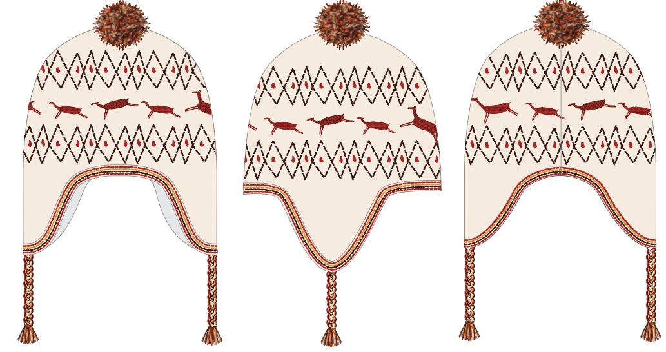
Front Side Back
REVISIONS
DATE | NAME | TAB | DESCRIPTION

SKETCHES
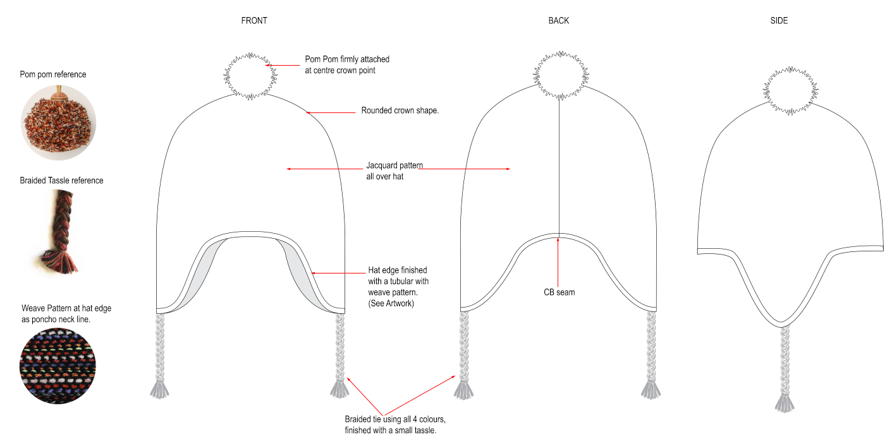
Fitz Roy Patagonia SL |  | Tech Sketches

FLAT SKETCH

DETAIL SKETCH

CODE | DESCRIPTION |  | MEASUREMENT
A
B
C

LABELLING
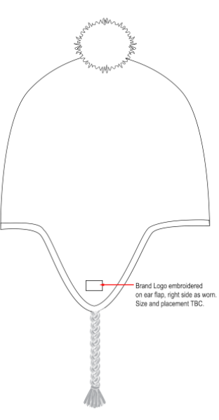
Fitz Roy Patagonia SL |  | Labelling
 |  |  | Your Brand
Branding and Care Label
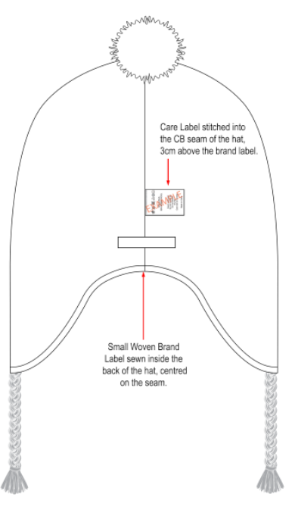

REf | DESCRIPTION |  |  | MEASUREMENT

ARTWORK
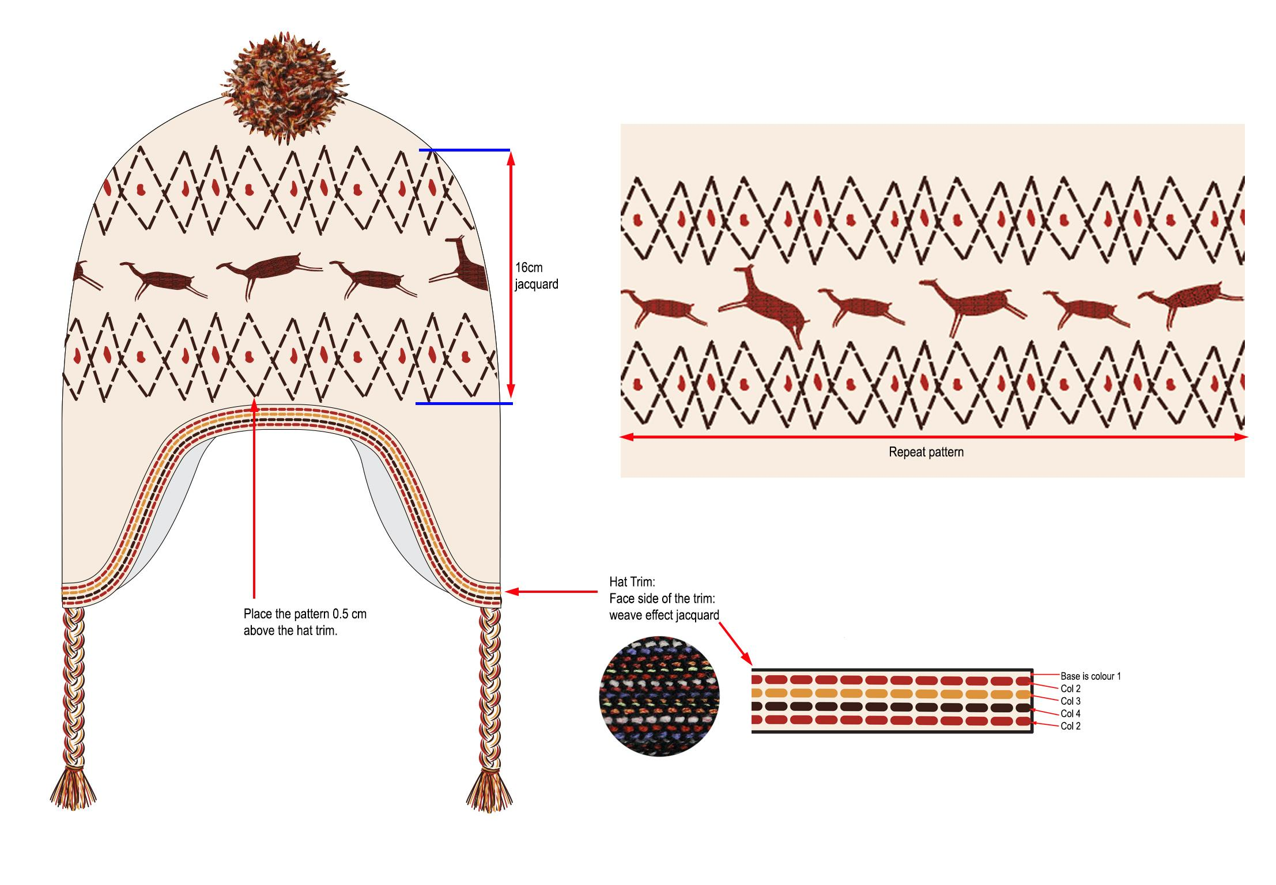
Fitz Roy Patagonia SL | Artwork

Artwork scale

POINTS OF MEASURE
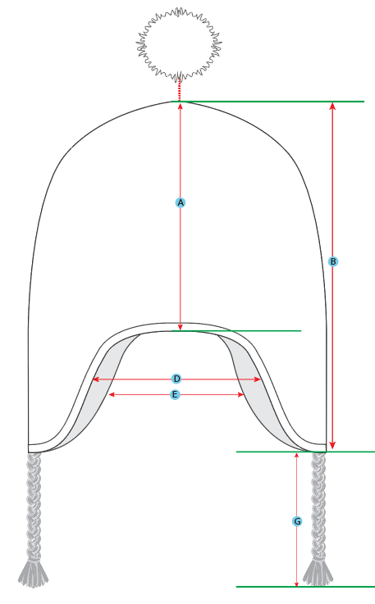 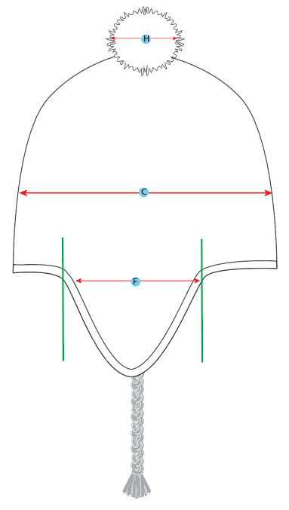
Fitz Roy Patagonia SL | Points of Measure

